Hiearchy View
CLASS: IT ENCLOSURE
any external or internal box that holds a computer peripheral such as a hard drive. |  | 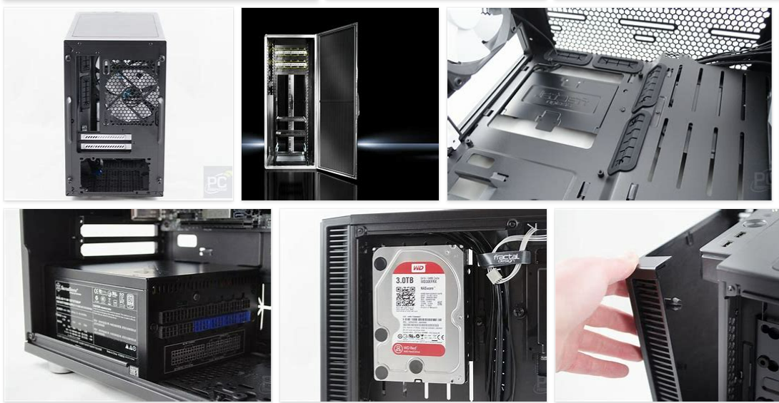
REMOVE | N

PROBLEM_DESC | CAUSE_DESC | REMEDY_DESC
BROKEN/DAMAGED
OTHER PROBLEM
OVERHEATING
STOPPED/SLOWED/POOR OPS
TEMP-CTRL
VIBRATION
Grand Total

